Instructions
 | Instructions:
1. | Because the schedule has already been formatted, printing is a breeze. Each cycle appears on its own page so you can bring printouts to the gym and leave your notebook at home. Simply hit Ctrl + P on the 5/3/1 schedule to bring up the print dialog, then hit OK to print.

2. | The statistics page tracks your performance on the top workset (1+) of the third week of each cycle. However this is only useful if you consistently update the repetitions performed on the "PR: Set 3" rows in the 5/3/1 schedule. The strength/weight ratio statistic also requires your bodyweight to be entered at the beginning of every cycle (on the statistics page in blue). The graphs provide an easy visual way to monitor your increases in strength as you progress through 5/3/1.

3. | Please feel free to modify the spreadsheet to your requirements. However, please note that I may not be able to offer you any support if your modification breaks the spreadsheet.

 | Saving your logfile for uploading to StrongJournal:
1. | Click on the worksheet below titled "Save Log"

2. | Click on "Save as" WHILE YOU ARE LOOKING AT THE SAVE LOG WORKSHEET and save the worksheet as logfile.csv

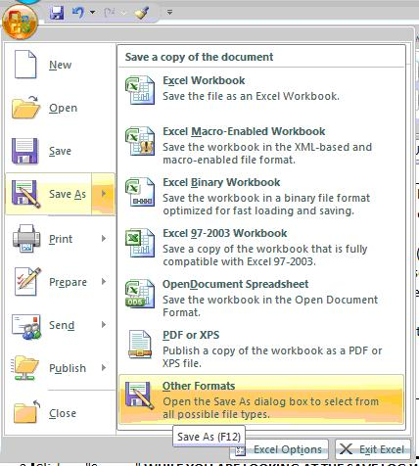
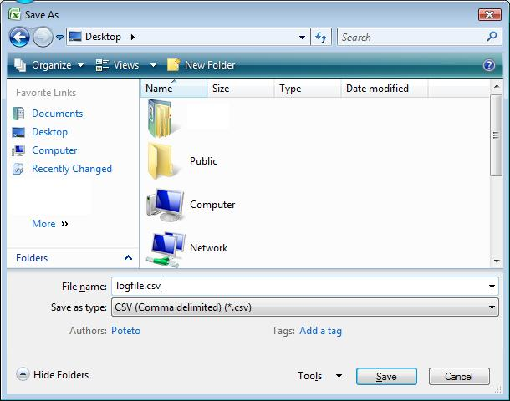

3. | Click on "Yes" for both prompts

4. | Go to http://www.strongjournal.com, sign in and click "Import logfile" in your user settings page.

